1. Title Page
Grocery Basket Analysis

Project Name: Instacart Grocery Basket Analysis
Date: 09/30/2023
Analyst Name: Claire Heger

Contents:
Population Flow
Consistency checks
Wrangling steps
Column derivations
Visualizations
Recommendations

2. Population Flow
Title page

Population flow

Exclusion flag
Condition: max_order < 5
Obervations to be removed: 1,440,295
Final total count of order_products_all: 30,964,563

Orders_products_combined
Orders_products_merged
Orders_products_all

Total: 32,404,859x23
Total: 3421083, 10
Total: 32404859, 37

1.) The grey boxes in the first row of the population flow represent the original data sets as they were when you downloaded them. In the Total fields you need to add the count of the rows when you imported the data set into Jupyter.
2.) The second row of boxes (coloured) represents the data sets after you manipulated them, e.g., removed missing values and duplicates. In the Total fields you need to add the count of the rows after conducting these operations. This offers a visual oveview of how the data flows throughout the data consistency checks.
3.) The third row, where also the arrows are coloured, represents the merges you performed between the datasets. In the Total fields you need to add the count of the rows in the merged datasets, so that you end up with the final dataset (in the red box). Keep in mind the final dataset should be without exclusions (based on the exclusion flag).

3. Consistency checks
 |  |  |  | Title page
Consistency checks

Dataset | Missing values | Missing values treatment | Duplicates
orders | There are 206,209 missing values in the 'days_since_prior_order column | None, the 'order_number' of all these customers is 1 | None
products | There are 16 missing values in the 'product_name' column | Dropped all 16 rows | 5 duplicates
orders_products_prior | There are 206, 209 missing values for the days_since_prior_order column | Value is changed to NaN | None
customers | There are 11,259 missing values in the 'First Name' column | None, it is a PII and the whole column has to be deleted eventually | None

4. Wrangling steps
 |  |  |  | Title page
Wrangling steps

Columns dropped | Columns renamed | Columns' type changed | Comment/Reason
 |  | user_id | changed to string to make consistent for merge
 | First Name |  | changed to 'first_name' for consistency across column headings
 | Surnam |  | changed to 'last_name' for clarity and consistency
 | Gender |  | changed to 'gender' to remove all caps for consistency across column headings
 | STATE |  | changed to 'state' to remove all caps for consistency across column headings
 | Age |  | changed to 'age' to remove upper case for consistency across column headings
 |  | first_name | changed to string to correct mixed data type issue
first_name |  |  | PII data removed
last_name |  |  | PII date removed

5. Column derivations
 |  |  |  | Title page

Column derivations and aggregations

In this tab you should add tables below that the frequences of flags/label variables that you produced after deriving them. NB: don't do this for continuous variables, only for flags.
Dataset | New column | Column/s it was derived from | Conditions
orders_products_merged | price_range_loc | prices | Low range product: prices <=5 Mid range product: prices >5 & <= 15 High range product: prices > 15
orders_products_merged | busiest_day | order_dow | Busiest day: order_dow = 0 Least busy: order_dow = 4 Regularly busy: all else
orders_products_merged | busiest_day | order_dow | Busiest Days: order_dow = 0 or 1 Slowest days: order_dow = 4 or 3 Regularly busy: all else
orders_products_merged | busiest_period_of_day | order_hour_of_day | Most orders: value in 10, 11, 14, 15, 13, 12, 16, 9 Fewest orders: value in 23, 6, 0, 1, 5, 2, 4, 3 Average orders: all else
orders_products_merged | max_order | user_id, order_number | Max number of orders for each user_id
orders_products_merged | loyalty_flag | max_order | Loyal customer: max_order > 40 Regular Customer: max_order <= 40 & >10 New Customer: max_order <= 10
orders_products_merged | mean_price | user_id, prices | Mean prices for each user_id
orders_products_merged | spending_flag | mean_price | Low spender: avg price < 10 High spender: avg price >= 10
orders_products_merged | median_days | user_id, days_since_prior_order | Median number of orders
orders_products_merged | frequency_flag | median_days | Non-frequent customer: median_days >20 Regular customer: median_days <= 20 & >10 Frequent customer: median_days <=10
final_subset_sample | department | department_id | departments assigned according to data dictionary derived from df_depts dataset
final_subset_sample | age_group | age | Child: age <= 16 & >= 0 Young Adult: age <= 30 & >= 17 Mid-Age Adult: age <= 45 & >= 31 Elderly Adult: age > 45
final_subset_sample | income_group | income | Low Income: income < 45000 Middle Income: income <= 130000 & >= 45000 Upper Income: income > 130000
final_subset_sample | dependents_group | n_dependents | Parent: dependents # > 0 No Children: dependents # == 0
final_subset_sample | customer_profile | fam_status, n_dependents, gender | Single parent: fam status != married & dependents # > 0 Single female without chidlren: fam status != married & gender == Female & dependents # == 0 Single male without chidlren: fam status != married & gender == Male & dependents # == 0 Married young parent: fam status == married & dependents # >0 Married without children: fam status == married & dependents # == 0
final_subset_sample | customer_income_profile | fam_status, n_dependents, gender, income_group | Low income single parent: fam status != married & dependents # > 0 & income group = Low Income Middle income single parent: fam status != married & dependents # > 0 & income group = Middle income Upper income single parent: fam status != married & dependents # > 0 & income group = Upper Income Low income single female without chidlren: fam status != married & gender == Female & dependents # == 0 & income group = Low Income Middle income single female without chidlren: fam status != married & gender == Female & dependents # == 0 & income group = Middle Income Upper income single female without chidlren: fam status != married & gender == Female & dependents # == 0 & income group = Upper Income Low income single male without chidlren: fam status != married & gender == Male & dependents # == 0 & income group = Low Income Middle income single male without chidlren: fam status != married & gender == Male & dependents # == 0 & income group = Middle Income Upper income single male without chidlren: fam status != married & gender == Male & dependents # == 0 & income group = Upper Income Low income married young parent: fam status == married & dependents # >0 & income group = Low Income Middle income married young parent: fam status == married & dependents # >0 & income group = Middle Income Upper income married young parent: fam status == married & dependents # >0 & income group = Upper Income Low income married without children: fam status == married & dependents # == 0 & income group = Low Income Middle income married without children: fam status == married & dependents # == 0 & income group = Middle Income Upper income married without children: fam status == married & dependents # == 0 & income group = Upper Income
final_subset_sample | time_period | order_hour_of_day | Before 8am: order_hour_of_day < 8 or >= 0 Between 8am and 5pm: order_hour_of_day =< 17 or >= 8 After 5pm: order_hour_of_day > 17
final_subset_sample | day | order_dow | Saturday: order day of week = 0 Sunday: order day of week = 1 Monday: order day of week = 2 Tuesday: order day of week = 3 Wednesday: order day of week = 4 Thursday: order day of week = 5 Friday: order day of week = 6

6. Visualizations
 |  |  |  |  |  |  |  | Title page

Visualisations

In this tab you should include all the visualtions from Exercises 4.9 and 4.10, alongside the questions from the project brief that they answer. Include any commentary on the relationship between different variables.

Key Question 1: |  | The sales team needs to know what the busiest days of the week and hours of the day are (i.e., the days and times with the most orders) in order to schedule ads at times when there are fewer orders.



 |  |  |  |  |  |  |  |  | Day of week key
 |  |  |  |  |  |  |  |  | 0 | Saturday
 |  |  |  |  |  |  |  |  | 1 | Sunday
 |  |  |  |  |  |  |  |  | 2 | Monday
 |  |  |  |  |  |  |  |  | 3 | Tuesday
 |  |  |  |  |  |  |  |  | 4 | Wednesday
 |  |  |  |  |  |  |  |  | 5 | Thursday
 |  |  |  |  |  |  |  |  | 6 | Friday

 |  | The histogram shows the peak hous of ordering are about 9am - 4pm. There is a slight increase in orders starting around 6am up until a peak at 10am. Orders are steady until 4pm. After 4pm, the orders more steadily decrease until midnight and bottom out until 6am again. |  | The bar chart shows the peak days of ordering are Saturdayand Sunday.The days with fewest orders are Tuesday and Wednesday.

Key Question 2: |  | They also want to know whether there are particular times of the day when people spend the most money, as this might inform the type of products they advertise at these times.

 | The below line chart shows the prices of the products ordered during the hours of the day. Spike from 1-3 and at 5.
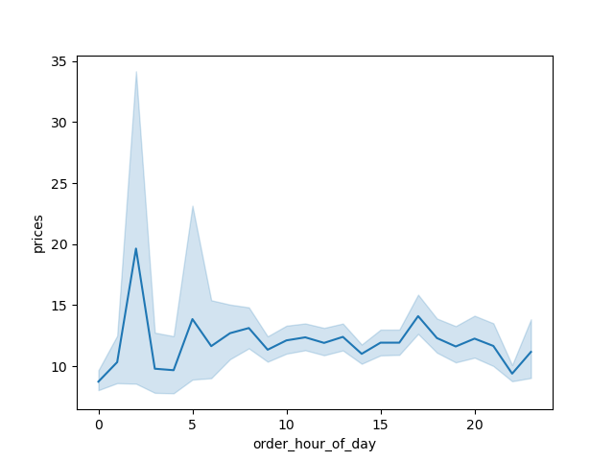

Key Question 3: |  | Instacart has a lot of products with different price tags. Marketing and sales want to use simpler price range groupings to help direct their efforts.
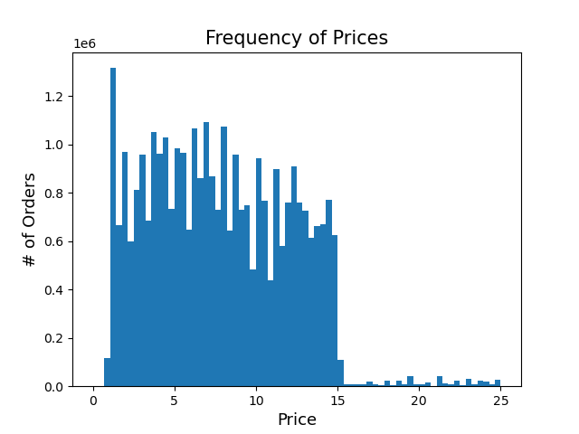

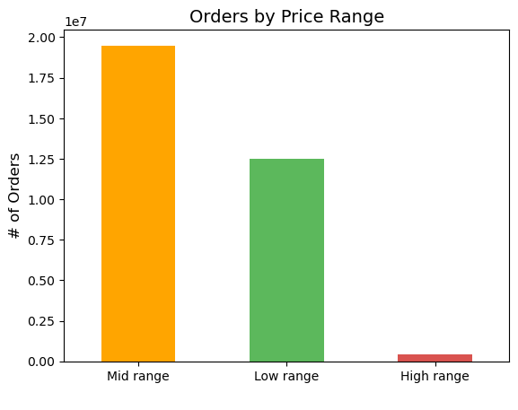

 |  |  |  |  |  |  |  |  | Price Range Key
 |  |  |  |  |  |  |  |  | Mid Range | Less than $6
 |  |  |  |  |  |  |  |  | Low Range | $6-$15
 |  |  |  |  |  |  |  |  | High Range | More than $15

 | Mid range products have the highest frequency. There is a drop off in order frequency of high range prices.

Key Question 4: |  | Are there certain types of products that are more popular than others? The marketing and sales teams want to know which departments have the highest frequency of product orders
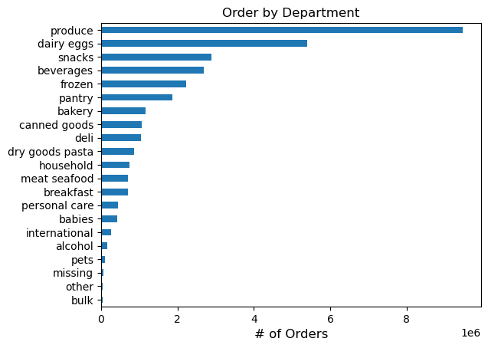

 | Produce is the most popular department by far. Followed by daity and eggs, snacks and beverages. The least populat departments are bulk and other

Key Question 4: |  | What’s the distribution among users in regards to their brand loyalty (i.e., how often do they return to Instacart)?

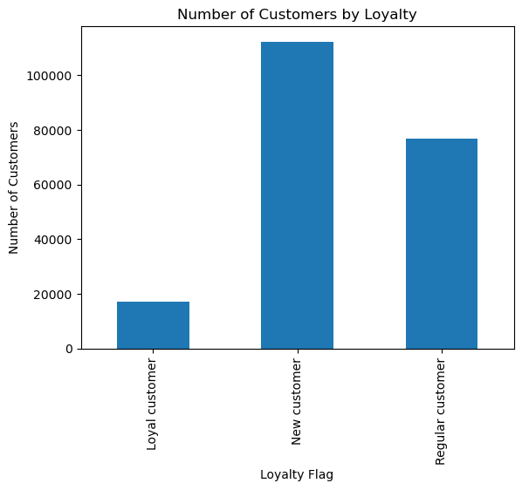

 |  |  |  |  |  |  | Loyalty Key
 |  |  |  |  |  |  | Regular | Order again an avg 10-20 days within initial purchase
 |  |  |  |  |  |  | Loyal | Order less than 10 days after their previous
 |  |  |  |  |  |  | New | Initial order followed by order 20+ days later

 | The majority of customers are new customers, followed by regular customers, and fewest amount of customers are loyal.

Key Question 5: |  | Are there differences in ordering habits based on a customer’s loyalty status?

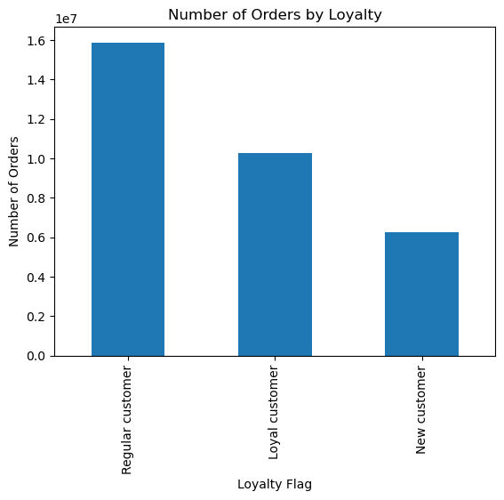
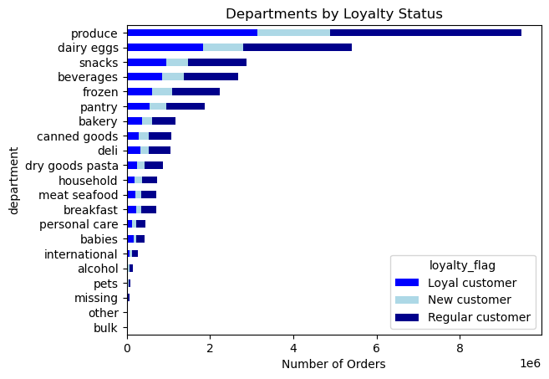

 | New customers make up the majority of the users; however, regular customers make up a majority of the orders. Loyal customers are low in users but have the seconds most orders. Our new custoemrs make up the fewest orders. |  |  |  |  | The second graph shows the breakdown of products purchased by department. This information is relatively 'normal' as it is split even relative to the amount of products each loyalty status purchases.

Key Question 6: |  | Are there differences in ordering habits based on a customer’s region?

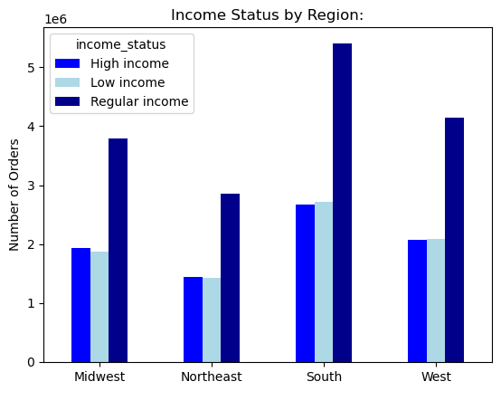
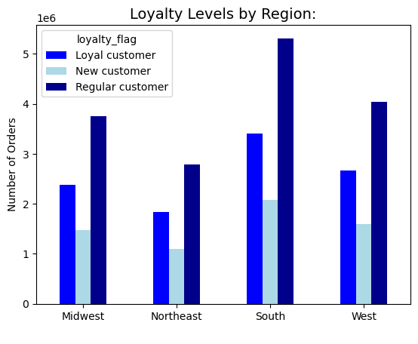

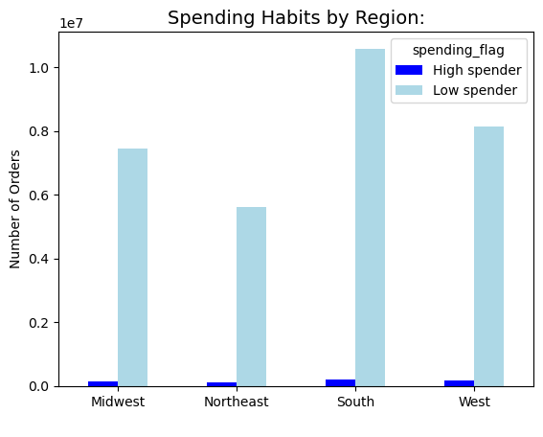

 |  |  |  |  | The south has the most order across all loyalty levells, income status', and spending habits. All 4 regions have relatively the same number of orders for high spenders. Low spenders make up almost all the orders across all regions. The West comes in second, Midwest third and the Northeast has the fewest orders across all measurement levels.

Key Question 7: |  | Is there a connection between age and family status in terms of ordering habits?

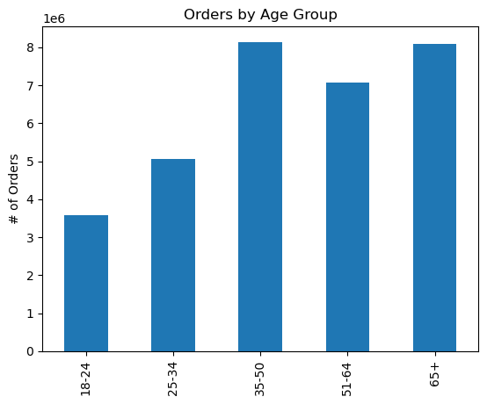
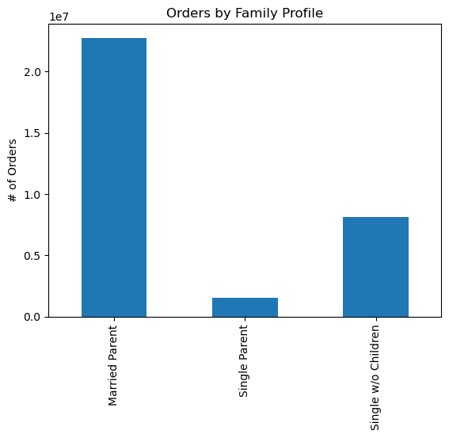

 | A majority of orders are placed by the age grouup 35-50 and by married parents.

Key Question 8: |  | What different classifications does the demographic information suggest? Age? Income? Certain types of goods? Family status?

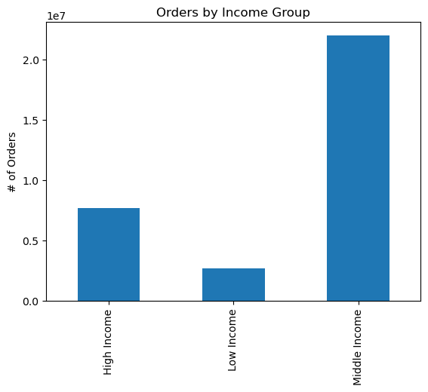

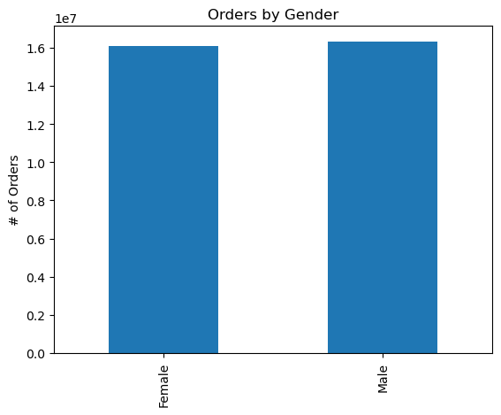

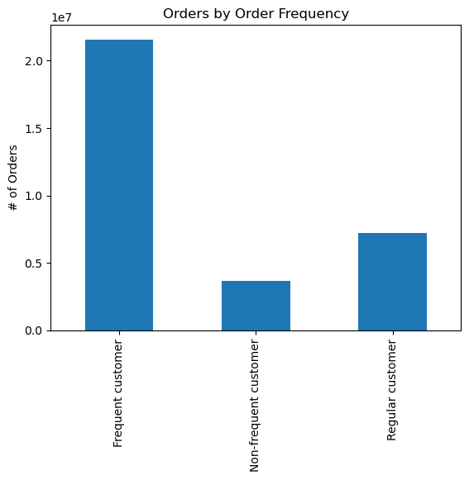

 |  |  |  |  |  |  | Age and family status are shown above. These combined with orders by income show that many of our users receive an income within the range of $55k-$120k, are married with children, and are 35-50 or 65 years+. Most of our users are frequent customers, meaning they make a subsequent order through the app within 10 days of their previous purchase. There is a fairly even distribution of gender

 | Key Question 9: |  | What differences can you find in ordering habits of different customer profiles? Consider the price of orders, the frequency of orders, the products customers are ordering, and anything else you can think of.

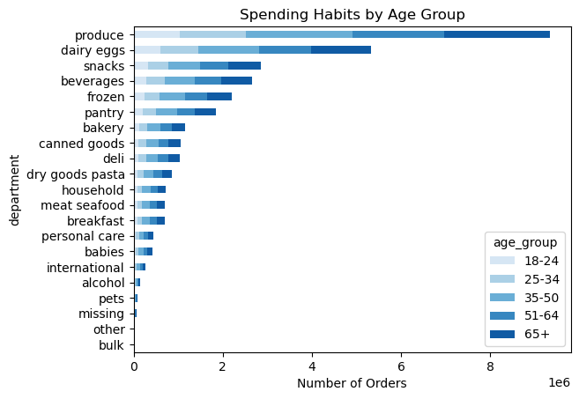
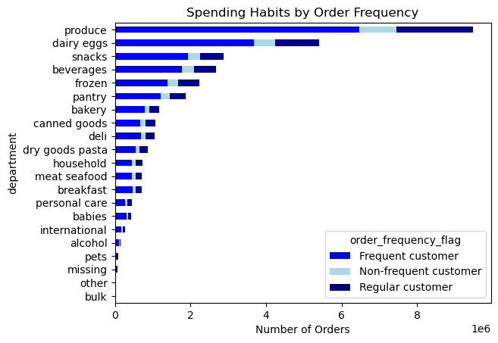

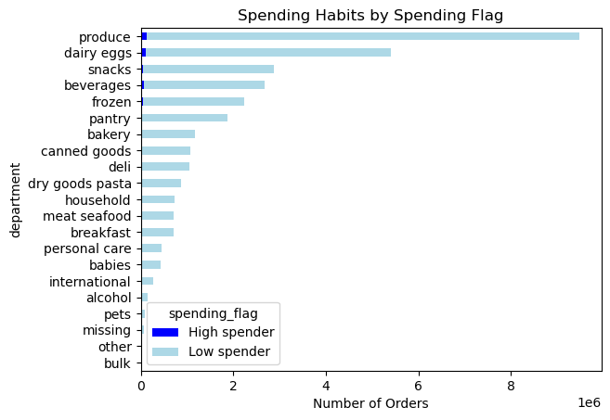

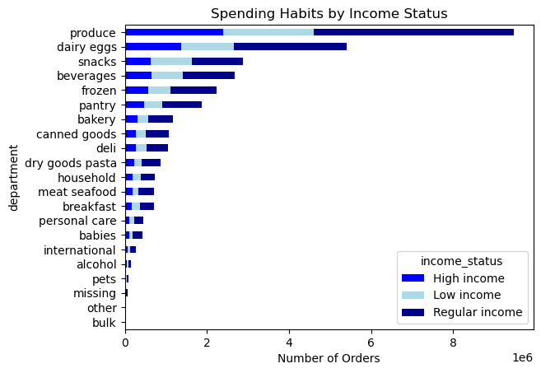

 |  |  |  |  |  |  | Regardless of the customer profile, the charts reveal that the departments with the most orders are produce and dairy/eggs. They lead by a large margin. The next most popular are snacks, beverages, frozen, and pantry. Least in demand are bulk, other, pets, and alcohol.

7. Recommendations
 |  | Title page

Recommendations

In this tab you should include any recommendations you would made to Instcart in terms of their marketing strategy based on the questions posed in the brief. Every key question has been covered in the Tasks of the Exercises - here you need to add an item - a visualisation or table/crosstable that is showing the answer in the data, acompanied by a comment from you. Please, list the questions below and add the answer underneath.

All charts on Tab 6 - visualizations

Question | Answer
Key Question 1: | The sales team needs to know what the busiest days of the week and hours of the day are (i.e., the days and times with the most orders) in order to schedule ads at times when there are fewer orders.
 | Observation: The busiest days for orders are Saturday and Sunday. The histogram shows the peak hous of ordering are about 9am - 4pm. There is a slight increase in orders starting around 6am up until a peak at 10am. Orders are steady until 4pm. After 4pm, the orders more steadily decrease until midnight and bottom out until 6am again. Recommendations: Schedule ads during peak order times, particularly on Saturdays and Sundays. Boost ad presence during the peak hours of 9 am to 4 pm. Introduce special promotions during non-peak hours to drive orders during slower periods. Experiment with weekday promotions to boost traffic when orders are typically lower.

Key Question 2: | They also want to know whether there are particular times of the day when people spend the most money, as this might inform the type of products they advertise at these times.
 | Observation & Recommendation: Capitalize on the price spikes observed during 1-3 and 5 by running targeted promotions during these hours. Offer time-limited discounts, bundle deals, or special offers to encourage purchases during peak pricing periods. Introduce flash sales or limited-time offers during the hours of observed price spikes.

Key Question 3: | Instacart has a lot of products with different price tags. Marketing and sales want to use simpler price range groupings to help direct their efforts.
 | Observation: Mid range products have the highest frequency. There is a drop off in order frequency of high range prices. Recommendation: Optimize for mid-range products. Focus marketing and sales efforts on the mid-range products, as they have the highest frequency of orders. Highlight promotions, discounts, or special deals for products within this mid-range to attract more customers. Analyze the drop-off in order frequency for high-range products. Consider adjusting prices, offering promotions, or enhancing the perceived value of these products to stimulate interest and increase orders.

Key Question 4: | Are there certain types of products that are more popular than others? The marketing and sales teams want to know which departments have the highest frequency of product orders
 | Observation: Produce is the most popular department by far. Followed by dairy and eggs, snacks and beverages. The least populat departments are bulk and other. Recommendation: To maximize sales, the marketing and sales teams should prioritize their efforts on the most popular product departments, namely Produce, Dairy and Eggs, and Snacks and Beverages. These departments show the highest frequency of orders, indicating strong customer preferences. To leverage this popularity, it is recommended to intensify marketing campaigns, feature top-selling products, and create bundle deals within these high-frequency departments. Additionally, focusing on seasonal promotions for Produce, special discounts for Dairy and Eggs, and diversifying the snacks and beverage offerings can further enhance customer engagement and drive increased sales. Regularly reviewing and optimizing inventory levels for these popular departments will ensure a seamless shopping experience and customer satisfaction.

Key Question 5: | Are there differences in ordering habits based on a customer’s loyalty status?

 | Observation: The majority of customers are new customers, followed by regular customers, and fewest amount of customers are loyal. New customers make up the majority of the users; however, regular customers make up a majority of the orders. Loyal customers are low in users but have the seconds most orders. Our new custoemrs make up the fewest orders. The second graph shows the breakdown of products purchased by department. This information is relatively 'normal' as it is split even relative to the amount of products each loyalty status purchases. Recommendation: Fostering loyalty among existing customers is key. Implement targeted campaigns for new customers to encourage initial purchases and introduce them to loyalty benefits. For regular customers, reinforce their loyalty with exclusive offers, personalized recommendations, and tiered loyalty perks. For loyal customers, continue prioritizing their experience with special incentives and early access to promotions. Simultaneously, since product preferences seem evenly distributed among loyalty statuses, ensure marketing efforts encompass a broad product range, aligning promotions with the diverse preferences of each customer segment.

Key Question 6: | Are there differences in ordering habits based on a customer’s region?

 | Observation: The south has the most order across all loyalty levells, income status', and spending habits. All 4 regions have relatively the same number of orders for high spenders. Low spenders make up almost all the orders across all regions. The West comes in second, Midwest third and the Northeast has the fewest orders across all measurement levels. Recommendation: tailor marketing and product offerings to regional preferences. Focus marketing efforts on highlighting products and promotions that resonate with the preferences of customers in the South, potentially introducing region-specific deals or products. For the West and Midwest, leverage their respective strengths—consider emphasizing variety and innovation for the West and promoting reliability and consistency for the Midwest. Despite the lower order frequency in the Northeast, explore targeted strategies such as exclusive regional promotions or partnerships to boost engagement. Additionally, for products appealing to high spenders, ensure a consistent and attractive offering across all regions.

Key Question 7: | Is there a connection between age and family status in terms of ordering habits?
 | Observation: A majority of orders are placed by the age grouup 35-50 and by married parents. Recommendation: Consider creating targeted promotions that resonate with the lifestyle and needs of individuals in the 35-50 age group, such as family-oriented bundles, time-saving meal solutions, and exclusive discounts. Leverage marketing channels that are popular among this demographic, including social media platforms and family-oriented publications. Implement loyalty programs or subscription services that cater to the convenience and preferences of married parents. Additionally, gather customer feedback from this segment to understand specific needs and desires, enabling the customization of products and services to enhance overall satisfaction.

Key Question 8: | What different classifications does the demographic information suggest? Age? Income? Certain types of goods? Family status?

 | Observation: Many of our users receive an income within the range of $55k-$120k, are married with children, and are 35-50 or 65 years+. Most of our users are frequent customers, meaning they make a subsequent order through the app within 10 days of their previous purchase. There is a fairly even distribution of gender. make recommendation Recommendation: For the significant number of users aged 35-50 or 65 years+, who are married with children, create targeted promotions and product bundles that cater to family needs, ensuring convenience and value. Given the income range of $55k-$120k, offer a mix of affordable and premium products to accommodate varying budget preferences. Recognizing that most users are frequent customers, implement loyalty programs with personalized rewards to further incentivize repeat orders. Maintain a gender-inclusive approach, ensuring that marketing messages and product offerings resonate with diverse preferences.

Key Question 9: | What differences can you find in ordering habits of different customer profiles? Consider the price of orders, the frequency of orders, the products customers are ordering, and anything else you can think of.

 | Observation: Regardless of the customer profile, the charts reveal that the departments with the most orders are produce and dairy/eggs. They lead by a large margin. The next most popular are snacks, beverages, frozen, and pantry. Least in demand are bulk, other, pets, and alcohol. Recommendation: Tailor promotions based on specific customer segments, introducing loyalty programs for high-frequency customers and diversifying offerings within popular departments like Snacks and Beverages. Implement dynamic pricing strategies, cross-promotions, and seasonal campaigns to keep customers engaged and attract attention. Additionally, assess and enhance low-demand departments, considering targeted promotions and adjustments.

